Pivot Table
Creating a basic Pivot Table (إنشاء جدول محوري أساسي) |  | Performing multiple calculations on the same field (تنفيذ عدة عمليات حسابية على نفس الحقل) | Segmentation to Columns and Rows (تقسيم البيانات إلى أعمدة وصفوف) |  |  | Segmentation of more than one field (تقسيم أكثر من حقل واحد)
 |  |  |  |  |  | order_time (وقت الطلب) | (All)

Order by pizza category
Order Trendline Of Hours
Row Labels | Count of order_id (رقم الطلب) |  | Row Labels | Count of pizza_category (فئة البيتزا) |  | Row Labels | Count of pizza_id (رقم البيتزا)
Chicken | 19% |  | The Sicilian Pizza | 22 |  | 11 | 26
Classic | 30% |  | The Thai Chicken Pizza | 22 |  | 12 | 55
Supreme | 24% |  | The Four Cheese Pizza | 23 |  | 13 | 56
Veggie | 27% |  | The Pepperoni Pizza | 26 |  | 14 | 40
 |  |  | The Classic Deluxe Pizza | 30 |  | 15 | 34
Top 5 Pizza Quntity
 |  |  |  |  |  | 16 | 41
 |  |  |  |  |  | 17 | 72
 |  |  |  |  |  | 18 | 55
 |  |  |  |  |  | 19 | 51
 |  |  |  |  |  | 20 | 27
 |  |  |  |  |  | 21 | 27
 |  |  |  |  |  | 22 | 13
 |  |  |  |  |  | 23 | 2

 |  |  |  |  |  | Sum of Total Sales
 |  |  |  |  |  | 8436.05

Grouping Data (تجميع البيانات) |  |  |  |  | Pivot Table Calculated Fields (الحقول المحسوبة في الجدول المحوري)

Sheet1
Pizza Sales Dashboard

Top 5 Pizza Quntity
 | Total
The Sicilian Pizza | 22
The Thai Chicken Pizza | 22
The Four Cheese Pizza | 23
The Pepperoni Pizza | 26
The Classic Deluxe Pizza | 30
Order by Pizza Category
 | Total
Chicken | 19%
Classic | 30%
Supreme | 24%
Veggie | 27%

Order Trendline Of Hours
 | Total
11 | 26
12 | 55
13 | 56
14 | 40
15 | 34
16 | 41
17 | 72
18 | 55
19 | 51
20 | 27
21 | 27
22 | 13
23 | 2

Dashboard
Pizza Sales Dashboard
Total Sales
$8,436
Total Orders by Week Day
 | Series1
1 | 77
2 | 72
3 | 66
4 | 72
5 | 48
6 | 73
7 | 91
Total Quantity Per Pizza Size
 | Series1
0 | 202
0 | 142
0 | 156
0 | 11
Total Orders per Quarter
 | Total
Qtr1 | 95
Qtr2 | 135
Qtr3 | 145
Qtr4 | 124

Order Trend by Hours
 | Series1
1 | 26
2 | 55
3 | 56
4 | 40
5 | 34
6 | 41
7 | 72
8 | 55
9 | 51
10 | 27
11 | 27
12 | 13
13 | 2
Total Sales per Day
 | Total
Wednesday | 853.15
Monday | 1136.6
Sunday | 1180.45
Thursday | 1226.55
Tuesday | 1229.3
Saturday | 1274.7
Friday | 1535.3

Pivot Charts
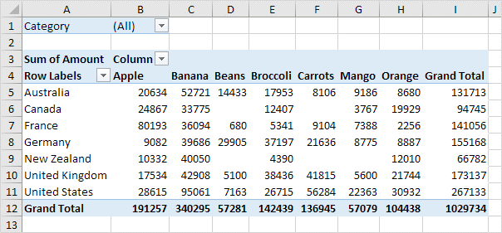

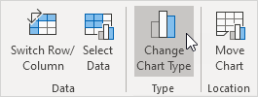

Macros
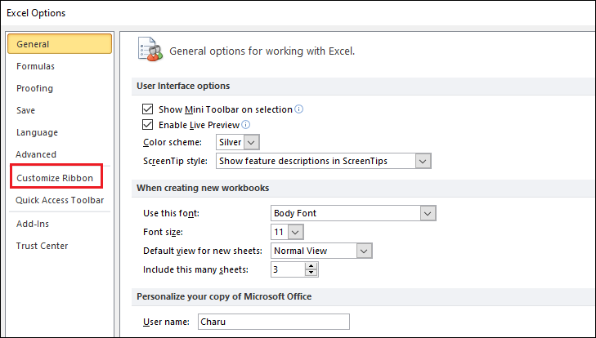
الماكرو في Excel هو أداة بتسمحلك تسجل سلسلة من الأوامر والإجراءات وتنفذها تلقائيًا فيما بعد بنقرة واحدة. الماكرو بيكون مفيد جدًا في حالة تكرار نفس المهام بشكل يومي أو دوري، لأنه بيوفر وقت وجهد كبير.

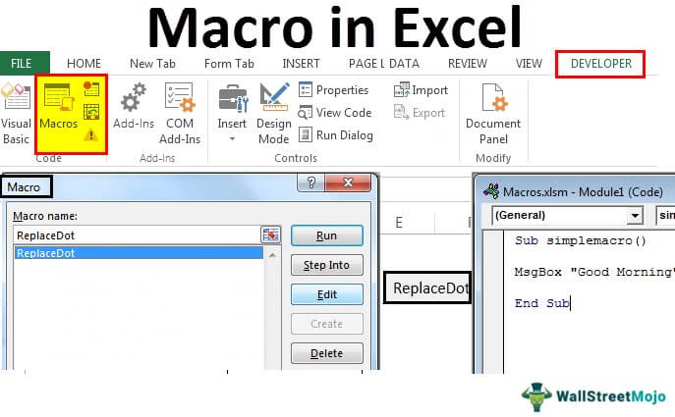
لتفعيل الماكرو في Excel، هتحتاج تتبع بعض الخطوات البسيطة:

1. إظهار التبويب "Developer":

الماكرو في Excel مربوط بالتبويب "Developer"، واللي مش بيكون ظاهر بشكل افتراضي. عشان تفعله:
اضغط على "File" في الشريط العلوي.
اختار "Options".
في نافذة Excel Options، اختار "Customize Ribbon".
هتلاقي في الجهة اليمين خانة اسمها "Main Tabs"، دور فيها على "Developer" وفعّلها بوضع علامة صح جنبها.
اضغط "OK" وهتلاقي التبويب "Developer" ظهر في الشريط العلوي.

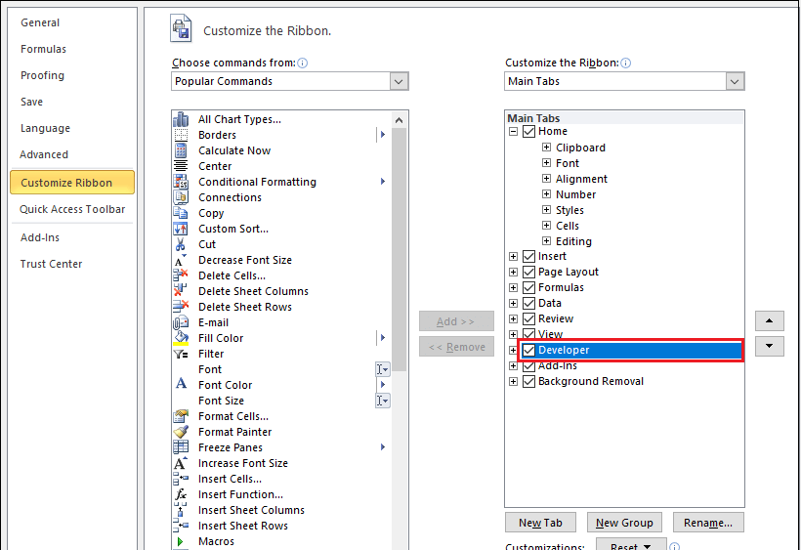
2. تسجيل ماكرو:

من التبويب "Developer"، اضغط على "Record Macro".
هيظهر لك نافذة تطلب منك تسمية الماكرو وتحديد مكان تخزينه، إما في هذا الملف فقط (This Workbook) أو في كل الملفات الجديدة (Personal Macro Workbook).
بعد ما تسميه وتحدد المكان، اضغط "OK".
دلوقتي أي خطوة بتعملها في Excel هتتسجل كجزء من الماكرو.

3. تشغيل الماكرو:

بعد ما تخلص تسجيل الماكرو، تقدر تشغله في أي وقت.
من التبويب "Developer"، اضغط على "Macros".
هتظهر لك نافذة فيها كل الماكروز المسجلة.
اختار الماكرو اللي عايز تشغله واضغط "Run".

4. تمكين إعدادات الماكرو:

لو فتحت ملف Excel يحتوي على ماكروز وكان الماكرو غير مفعل، هتحتاج تمكين الماكرو.
هيظهر لك شريط أصفر تحت الشريط العلوي بيقولك "Macros have been disabled".
اضغط على "Enable Content" لتفعيل الماكرو.

دلوقتي الماكرو مفعل عندك وتقدر تستخدمه لتسجيل وتنفيذ العمليات المتكررة بكل سهولة في Excel.

